Info Guide
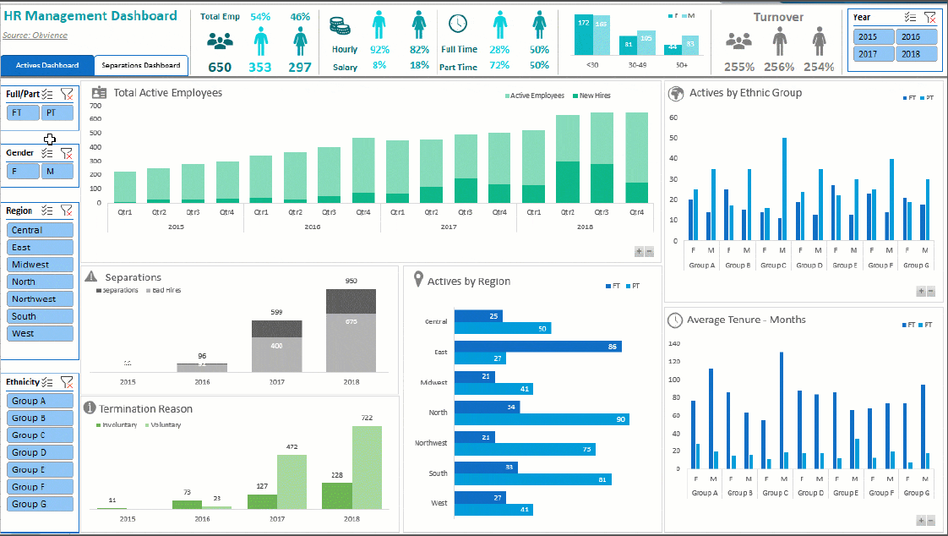
Final Assessment - Excal Analysis

Based on the Data find

1- Solve Ex 1 sheet " use all necessary functions you need"
2-Use the data in sales sheet and analyze it and convert all necessary data to chart from your own perspective
3- Create your interactive dashboard based on the data in sales sheet from your own perspective


** all answers in one book with the folowwing
Satuden name
Gov
Group

** send final answer to my email " ahismailwork@gmail.com "

